Sheet1
NN |  |  | SVM |  |  | RF |  | CMSIS
Original (nS) | Fast (nS) | Slow (nS) | Original (nS) | Fast (nS) | Slow (nS) | Original (nS) | Fast (nS) | Original (nS) | Fast (nS) | Algorithm | Original (nS) | Fast (nS) | Slow (nS) | Fast Speed-Up | Slow Speed-Up
2757400 | 3641194 | 38779311 | 5948061 | 5027414 | 6170205 | 2527269 | 3143165 | 11628329 | 6251311 | NN | 2934446.64 | 3607304.42 | 39797045.75 | 0.81347352437 | 0.073735288253
4067554 | 3573473 | 38068142 | 6355293 | 4688273 | 6184760 | 2527639 | 2754690 | 11608551 | 6382808 | SVM | 4421361.55 | 5156620.78 | 6618533.49 | 0.8574145237 | 0.66802737444
2287873 | 3688378 | 39578627 | 3542000 | 8020740 | 6219833 | 2527824 | 2673859 | 9074870 | 5649153 | RF | 2358373.26 | 3003649.94 | N/A | 0.78516914658 | N/A
3946557 | 5247491 | 37866536 | 6758563 | 4571867 | 6188834 | 2651563 | 2706802 | 10789490 | 6126979 | CMSIS | 10602118.9 | 5740923.71 | N/A | 1.8467618515 | N/A
2811602 | 3021356 | 39955266 | 3511167 | 6760193 | 5416925 | 2087758 | 2526472 | 11494664 | 5311196
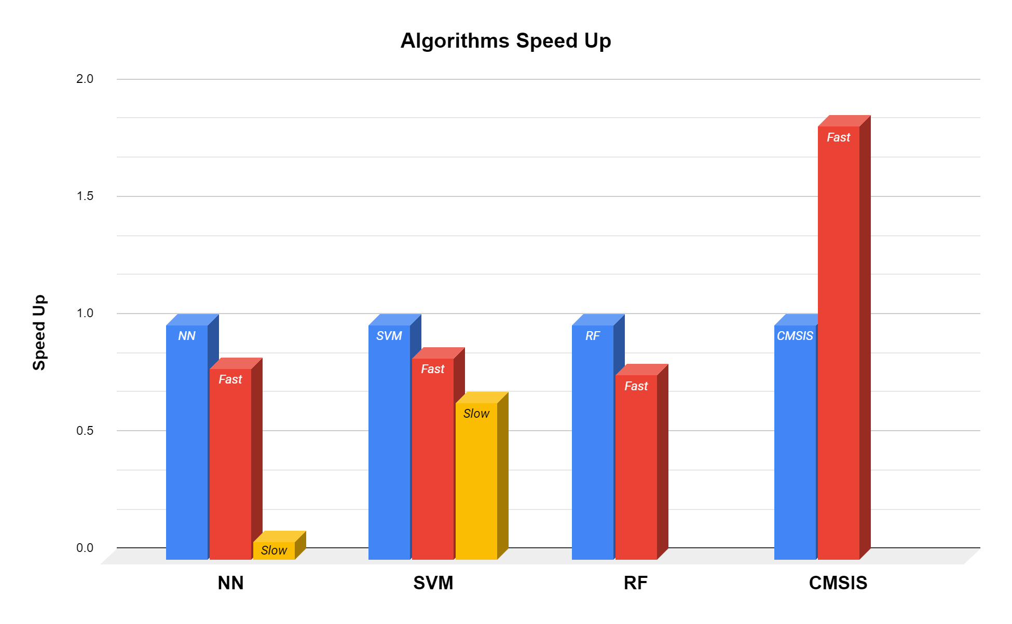
3587640 | 4363658 | 40408607 | 3920196 | 6064096 | 7278886 | 3179663 | 2858096 | 9080777 | 5804299
2561829 | 3317498 | 35463462 | 3935900 | 4910713 | 6179760 | 3406771 | 3004130 | 10828268 | 5628283
2389908 | 4019334 | 38161548 | 3995954 | 5896821 | 6299591 | 1942502 | 3079536 | 12083191 | 5410620
2738900 | 4502341 | 38558761 | 3523112 | 4606145 | 8661246 | 3745264 | 2546842 | 9010334 | 5710448
4010056 | 3270610 | 43196117 | 3947492 | 4722976 | 6391089 | 2727357 | 2704229 | 10254888 | 5053051
3333460 | 3729322 | 39379427 | 5943099 | 6190205 | 5780862 | 2046351 | 2865522 | 11618033 | 5908667
3141761 | 4455213 | 34304267 | 3849179 | 4797955 | 8241514 | 2336031 | 2459307 | 12104802 | 6056850
3242869 | 4788797 | 35632050 | 6440495 | 4128710 | 5987783 | 2482769 | 3040037 | 9322551 | 5748133
2419852 | 3104558 | 39250894 | 3547333 | 4527202 | 6410551 | 2950427 | 3385457 | 11159206 | 5607042
3316109 | 5655037 | 39604126 | 3991751 | 4106729 | 5808305 | 2715820 | 2879485 | 11955194 | 5711689
3075429 | 3224519 | 36694916 | 3876049 | 4692569 | 6178538 | 2077629 | 2905336 | 9287200 | 6693858
4232291 | 3156205 | 36303536 | 3487002 | 4608793 | 5777380 | 2205441 | 2969557 | 9710526 | 5969666
2295133 | 3337775 | 39634182 | 4380149 | 9811741 | 5685938 | 2206293 | 2963483 | 11044301 | 5864594
3562121 | 3544381 | 41493972 | 5879952 | 4035453 | 5684122 | 2676711 | 2582915 | 10716307 | 5611950
2991617 | 4700207 | 40724008 | 3540056 | 4550405 | 5994543 | 2194293 | 2504825 | 9017427 | 5373120
2297373 | 3222111 | 39568646 | 6218389 | 4343354 | 5592495 | 2165034 | 2957594 | 9743674 | 5082161
4478600 | 3575344 | 39511740 | 5531551 | 4735050 | 5548793 | 2524750 | 3373994 | 10819564 | 5967778
2871304 | 3326479 | 45445548 | 3779106 | 4309262 | 5513367 | 2430271 | 3504455 | 12021285 | 5586617
4405232 | 3535345 | 41775966 | 5114283 | 4140470 | 5680863 | 2315069 | 2560417 | 9082129 | 5685875
2288225 | 3648305 | 44244058 | 4043434 | 3939029 | 5738899 | 2589360 | 4657082 | 10180204 | 5594913
4048647 | 3312276 | 38785961 | 5670678 | 4554942 | 5959487 | 2193164 | 3110332 | 11807678 | 6527676
3072910 | 3925965 | 38388969 | 3783718 | 4275670 | 6115576 | 2145090 | 2936928 | 12110321 | 5850409
2793769 | 3202778 | 39399502 | 4806419 | 5355593 | 6318647 | 2343142 | 2399086 | 9282553 | 5120679
3856726 | 3622343 | 40486033 | 4571535 | 4694181 | 5763639 | 2401734 | 2618582 | 11163059 | 6126924
3014893 | 3815986 | 38026386 | 4121970 | 4569350 | 5493479 | 2493195 | 2604805 | 12645978 | 5744262
2181265 | 4817963 | 39994210 | 5852360 | 4741512 | 6118317 | 2089776 | 2798079 | 9370736 | 6639082
2547848 | 4302457 | 41859353 | 5463998 | 7154055 | 7710840 | 2036481 | 2959964 | 10425089 | 5340399
2488795 | 3848967 | 38069514 | 3555056 | 4498369 | 6509773 | 2521991 | 5083241 | 12149283 | 5382287
2379705 | 4617393 | 42540522 | 3945826 | 3829513 | 6330757 | 3084314 | 3018889 | 10838916 | 5016662
2530405 | 4710818 | 39293727 | 3843272 | 5524237 | 5751085 | 2179960 | 3229589 | 9107184 | 5156846
3204945 | 3606288 | 39763604 | 6376737 | 5977431 | 6469829 | 3408549 | 3021574 | 10905062 | 5684763
2703586 | 3400514 | 43056955 | 4252227 | 4189376 | 6200630 | 2207979 | 2690432 | 10181741 | 5409342
4034222 | 3559529 | 42310472 | 5789380 | 3877012 | 6755989 | 2026870 | 2710894 | 9041889 | 5368379
2912099 | 3039300 | 41362365 | 3802754 | 4218968 | 5835250 | 3476992 | 3092313 | 10343350 | 5432545
2379871 | 3360181 | 39300376 | 3926326 | 4172821 | 6317646 | 2046277 | 2715488 | 11358703 | 6557639
2539052 | 3249777 | 39294746 | 3715867 | 4070675 | 5721548 | 3053888 | 3232385 | 12070636 | 5096198
2549553 | 3177612 | 40486719 | 3834124 | 4527054 | 6653843 | 2344401 | 3419326 | 9721990 | 7078946
2616884 | 3364367 | 39055418 | 3964436 | 6088762 | 6162206 | 1923668 | 3368827 | 12166838 | 5790873
4215403 | 3512104 | 40600772 | 4412741 | 5681771 | 6327869 | 1914298 | 2685821 | 9558492 | 5784373
3355886 | 3442254 | 42019147 | 6415126 | 4541387 | 6258444 | 2514972 | 2810745 | 9823951 | 6643378
3001116 | 3877485 | 42013943 | 3436132 | 6149428 | 5964543 | 2491399 | 2965742 | 11664661 | 5924834
2471813 | 4068073 | 40226948 | 6573159 | 3827254 | 6276629 | 2308550 | 3019427 | 11046301 | 6292976
4040759 | 3628805 | 38760111 | 3869605 | 10369044 | 6809859 | 2367382 | 2923187 | 9949078 | 5388305
2574719 | 3794654 | 41119001 | 3685478 | 10404043 | 8392678 | 2337049 | 3018519 | 12552147 | 5611857
4129831 | 3333071 | 40956838 | 3448095 | 8186127 | 8010315 | 2486455 | 2474455 | 9062852 | 5750466
2894933 | 3379014 | 42600411 | 3937215 | 3874827 | 6135910 | 2345271 | 3427178 | 9932394 | 5615264
3679212 | 3279017 | 39415521 | 3945918 | 4097081 | 5772639 | 2421623 | 2545991 | 11753586 | 5612635
2475998 | 3075484 | 40350889 | 3926548 | 4437982 | 5968746 | 3623712 | 2757394 | 10893025 | 5599450
3212593 | 4443212 | 40692159 | 3907993 | 4877639 | 8175201 | 1907983 | 3760117 | 9053686 | 5776743
3387107 | 3066689 | 41394809 | 3914808 | 6866209 | 7170388 | 2070666 | 2940780 | 10361183 | 4965793
2478554 | 3791190 | 39581462 | 3924956 | 4972526 | 6801674 | 2515251 | 2769153 | 11449183 | 6034369
2688993 | 3430014 | 39710107 | 5633698 | 4621201 | 8208941 | 2157183 | 3401531 | 9091555 | 5541914
3570399 | 2806546 | 39818475 | 3711978 | 6055189 | 7789412 | 2200701 | 4355698 | 10628585 | 6138516
2555830 | 3127446 | 38402748 | 3935881 | 4297337 | 7310978 | 1923872 | 3854615 | 12177227 | 6182145
2559552 | 3560270 | 40189022 | 3849216 | 6802914 | 5408036 | 2052333 | 3334383 | 10356905 | 6106294
2699919 | 3299591 | 41536844 | 3861512 | 4894269 | 6450866 | 2498528 | 3713340 | 9489105 | 5318029
2808787 | 3164687 | 40901489 | 4194246 | 4646774 | 7640008 | 2178405 | 3440660 | 10810472 | 5883890
2580293 | 3626139 | 39853864 | 3907864 | 6179853 | 5703122 | 2166479 | 2450696 | 11606032 | 6123442
2736437 | 2992135 | 39283914 | 3917493 | 6071151 | 8872557 | 2536990 | 3027852 | 9740156 | 5231585
2779491 | 2853638 | 41497456 | 4496555 | 6976041 | 6993244 | 2187330 | 3006982 | 11373370 | 5651708
2471813 | 3374681 | 41487456 | 4382891 | 5899267 | 6392978 | 2152405 | 2479566 | 12153172 | 6861356
2455462 | 3303738 | 42812407 | 3802495 | 5935821 | 8624932 | 1931465 | 2830429 | 9751137 | 5969241
2502017 | 3737599 | 41356867 | 5709548 | 5056987 | 6623530 | 1907465 | 2547916 | 13438040 | 5534247
2592200 | 3303535 | 41866374 | 3229340 | 4864084 | 5185096 | 2109647 | 2526787 | 9275200 | 5232178
2906081 | 3394959 | 40507887 | 3465280 | 6299721 | 7697488 | 2137294 | 4391216 | 9865876 | 6121423
3021486 | 3462143 | 41174019 | 3744107 | 4728254 | 8355160 | 2228051 | 3292792 | 11187818 | 5575858
2402481 | 4105906 | 40727437 | 4102859 | 6782785 | 7638563 | 2162868 | 3239626 | 9063796 | 5346250
2585959 | 3272018 | 39045068 | 3779144 | 5076284 | 6717286 | 2185478 | 3493695 | 9840580 | 5465507
2775566 | 3292221 | 40870452 | 3931788 | 4593108 | 6106373 | 2487880 | 2443937 | 10751880 | 5320881
3944002 | 3302998 | 38463267 | 4009046 | 5318371 | 8000056 | 2412178 | 2724820 | 12727904 | 5114125
2292281 | 3738266 | 38948996 | 3977751 | 4423482 | 7870763 | 2062388 | 2873818 | 9276978 | 5034552
2479240 | 3522900 | 36806731 | 3954288 | 3811513 | 5273669 | 2353994 | 2836096 | 10452867 | 6228200
2555126 | 3408607 | 40799213 | 4070749 | 3773551 | 5747473 | 2457140 | 2306291 | 11416869 | 5271603
3390811 | 3546566 | 41203685 | 4435482 | 4412223 | 7605028 | 2490528 | 3564824 | 9113203 | 6785894
2527035 | 3504308 | 41742544 | 5960228 | 7834467 | 7141667 | 2364142 | 4118813 | 9668509 | 6409659
3520178 | 4349363 | 42495822 | 5038340 | 5792176 | 9473247 | 2544250 | 3876836 | 11242835 | 6312439
2514979 | 3111354 | 41078836 | 3278247 | 6005690 | 5256594 | 2161571 | 2251829 | 12744607 | 4963015
2740714 | 3383256 | 38689132 | 6912004 | 4106082 | 6164057 | 2269551 | 2599286 | 9477531 | 6141997
2844675 | 3221611 | 41757451 | 5559088 | 4602738 | 6342739 | 2326199 | 2752227 | 11246039 | 6021351
2246245 | 3643398 | 42287069 | 3654294 | 4565350 | 5493479 | 2326198 | 4103703 | 9920209 | 5630023
2486239 | 3321071 | 41210038 | 3747051 | 4759290 | 5504386 | 2357438 | 2442899 | 9019389 | 6419678
2527497 | 3180390 | 42527934 | 3917326 | 3918214 | 5580514 | 2355790 | 2892188 | 9566973 | 5748763
2766159 | 3376664 | 39465948 | 3471983 | 3830124 | 6611955 | 2218941 | 2791542 | 10502718 | 6315939
2538886 | 3217445 | 36947636 | 3790977 | 5042062 | 7187407 | 2038926 | 2281977 | 11906269 | 5926871
2399148 | 4037333 | 40042194 | 5498367 | 4236116 | 7299108 | 1946390 | 2796986 | 11310649 | 5317250
2800158 | 4994386 | 36072470 | 3835568 | 3895067 | 5576402 | 1930817 | 2487955 | 9205738 | 5542192
2645235 | 3896392 | 37149946 | 4047156 | 3829661 | 7492363 | 2763116 | 2404641 | 11577922 | 4939924
3144353 | 3151372 | 35621111 | 3455113 | 4123247 | 5989654 | 2454992 | 2392641 | 9514104 | 5066033
2735177 | 4742521 | 38156256 | 6547642 | 6510124 | 6057782 | 2169331 | 2640082 | 9520178 | 5382231
3785394 | 3068633 | 37673082 | 4056823 | 5390536 | 12547165 | 2188700 | 2765616 | 10135242 | 5845372
2617736 | 3395274 | 36745140 | 4084101 | 6009856 | 6989411 | 2207534 | 3522251 | 11249835 | 5664023
2548015 | 3103780 | 37770265 | 5973487 | 4062823 | 6152353 | 1912409 | 2531510 | 11319963 | 5417823
2554405 | 3268869 | 36945229 | 3594573 | 4055323 | 6140854 | 1939354 | 3982668 | 9247071 | 6019444
2536590 | 2987710 | 36947062 | 4175839 | 4467130 | 8133498 | 1906558 | 3059166 | 11123800 | 5571043
2727826 | 2874212 | 36305076 | 5700714 | 4314818 | 7634637 | 1952576 | 2816078 | 11696272 | 5283048

